Instructions
Friendship and Dating Program (FDP) Attendance Log Instructions

Overview:
This tool is for recording FDP clubs and participant information, including:
• Participant name, ID number, demographics, and program & survey consent
• Lessons, Meetings, and hours taught or offered
• Total participant attendance
This attendance tool is designed to assist facilitators in submitting complete data to the MOTPP evaluation team. Please save the spreadsheet so it can be submitted to the evaluation team.

Creating Participant ID Numbers:
In order to protect participant confidentiality, ID numbers are created that can be used instead of participant names on participant surveys. Prior to recording attendance, you must assign a unique 10-digit ID number to each participant. These numbers are created using the keypad below to change letters into numbers. Please use the following process to create a unique ID number for each participant in your club:

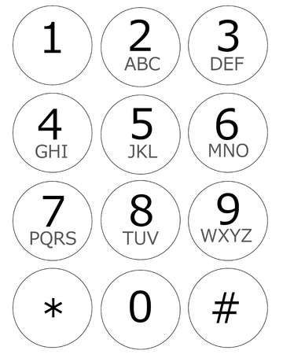
 | • Find the numbers which correspond with the first two letters of the participant's first name. Use the number 1 in place of any missing letters.

 | • Find the numbers which correspond with the first two letters of the participant's middle name. Use the number 1 in place of any missing letters.

 | • Find the numbers which correspond with the first six letters of the participant's last name. Use the number 1 in place of any missing letters.

 | • Example – George Washington: 43-11-927446
 | • Example – Jackie Roosevelt Robinson: 52-76-462467

Recording participant data in the Participant Roster:
Information about each participant is entered in the Participant Roster worksheet, which can include records for up to 50 participants. Please do the following:

(1) In the Summary Information table in the top left corner of the worksheet, record the name of your contractor, the name of your club and program, and facilitator first and last names. You must pick the name of your contractor from a dropdown menu by selecting its empty cell, clicking the down arrow, and selecting your contractor from the list that appears.

(2) In the Participant Information table record the first, middle, and last names of all participants. Remember, this file should be kept confidential and secure. It should only be shared with other coordinators, co-facilitators, or the evaluation team.

(3) Record the participant ID numbers of all participants. Participant ID numbers must be entered in the format XX-XX-XXXXXX.

(4) Record the sex of the participant. This field also requires you to select from the dropdown menu.
(5) Record each participant's date of birth. Dates must be entered in the format XX/XX/XXXX. The participant age field will populate automatically based on the date you enter.

(6) Record each participant's program and survey consent. These fields must contain either "Yes" or "No", which you may select from the dropdown menu.

(7) Record the participant's status; whether the participant is active or inactive. If the participant is inactive, please use the drop down menu to select why they are inactive.

Remember to save your work.

Recording Club Attendance:
Participant attendance data are entered in the Club Attendance worksheet. Participant identification information will be populated into this worksheet automatically from the Participant Roster worksheet. To record attendance, please do the following:

(1) Record the session's duration, in minutes.
(2) Record the date on which the session occurred. Dates must be entered in the format XX/XX/XXXX.
(3) Moving to the Attendance Information table, enter a "1" for each participant that attended a session. Enter a "0" if a participant did not attend a session.

(4) Note that whether each participant attended at least 75% of lessons is calculated automatically.
Remember to save your work.

Questions or Technical Assistance:
For questions or technical assistance in using this data recording tool, please contact the MOTPP evaluation team at:

E-mail: motppevaluation@missouri.edu

